1. Title Page
Instacart Grocery Basket Analysis

Project Name: Instacart Grocery Basket Analysis
Date: 29/08/2024
Analyst Name: Edward Somgal

 | Contents:
1 | Population Flow
2 | Consistency checks
3 | Wrangling steps
4 | Column derivations
5 | Visualizations
6 | Recommendations

2. Population Flow
Title page

Population flow

Exclusion flag
Condition: max_order < 5
Obervations to be removed: 1440295
Final total count of order_products_all: 30,964,564

Orders_products_combined
Orders_products_merged
Orders_products_all

Total: 32,404,859S
Total: 32,434,489
Total: 32,404,859

1.) The grey boxes in the first row of the population flow represent the original data sets as they were when you downloaded them. In the Total fields you need to add the count of the rows when you imported the data set into Jupyter.
2.) The second row of boxes (coloured) represents the data sets after you manipulated them, e.g., removed missing values and duplicates. In the Total fields you need to add the count of the rows after conducting these operations. This offers a visual oveview of how the data flows throughout the data consistency checks.
3.) The third row, where also the arrows are coloured, represents the merges you performed between the datasets. In the Total fields you need to add the count of the rows in the merged datasets, so that you end up with the final dataset (in the red box). Keep in mind the final dataset should be without exclusions (based on the exclusion flag).

3. Consistency checks
 |  |  |  | Title page
Consistency checks

Dataset | Missing values | Missing values treatment | Duplicates
orders | 206209 in days_since_prior_order column | Added 0 in place of missing values instead of deleting these rows. I took this approach as these missing values simply denotes that there are no prior orders from respective customers | There were no duplicates.
products | 16 missing values from the product_name column. | I have extracted a subset without these missing product names and named it df_prods_clean | There were 5 duplicates in product_name column, and I have extracted a subset without duplicates to df_prods_clean_no_dups
orders_products_prior | There were no missing values. | n/a | There were no duplicates.
customers | There were no missing values. | n/a | There were no duplicates.

4. Wrangling steps
 |  |  |  | Title page
Wrangling steps

Columns dropped | Columns renamed | Columns' type changed | Comment/Reason
eval_set |  |  | Not relevant for analysis
 |  | order_id changed to str | order_id is used as an identifier and a key. Its not used in calculations or any analysis
 | order_dow changed to order_day_of_week |  | column name change for clarity
_merge (on ords_prods_combined df) |  |  | to avoid duplicate columns, _merge flag on ords_prods_combined removed prior to merging 'order_products_combined' with 'products' since a new _merfe column flag would be created at that time.
_merge (on ords_prods_merge df) |  |  | to avoid duplicate columns, _merge flag on ords_prods_merge removed prior to merging with customers dataframe since a new _merfe column flag would be created at that time.
First Name (on customers) |  |  | First name and Surname are not relevant to the analysis. User_id is sufficient to identify each customer. Also due to data ethics, personal identifiers are not advised due to privacy reasons.
Last Name (on customers)
_merge(on secured_excluded) |  |  | _merge flag removed since it's no longer relevant to further analysis.

5. Column derivations
 |  |  |  | Title page

Column derivations and aggregations

In this tab you should add tables below that the frequences of flags/label variables that you produced after deriving them. NB: don't do this for continuous variables, only for flags.
Dataset | New column | Column/s it was derived from | Conditions
ords_prods_merge | price_label | prices | if price is <=5 = 'Low range product'
 |  |  | if price is >5 and <=15 = 'Mid range product'
 |  |  | if price is >15 = 'High range product
ords_prods_merge | busiest_day | order_dow | 0 (Saturday) = Busiest day
 |  |  | 4 (Wednesday) = Least busy
 |  |  | any other day of the week = Regularly busy
ords_prods_merge | busiest_days | order_dow | 0 or 1 (Saturday or Sunday) = Busiest days
 |  |  | 3 or 4 (Tuesday or Wednesday) = Slowest days
 |  |  | any other day of the week = Regularly busy
ords_prods_merge | busiest_period_of_day | order_hour_of_day | 10 (10:00 am) = Most orders
 |  |  | 3 (3:00 am) = Fewest orders
 |  |  | any other hour of the day = Average orders
ords_prods_merge | max_order | user_id, 'order_number' | This column is to determine maximum frequency of orders ('order_number') grouped by customer ('user_id').
ords_prods_merge | loyalty_flag | max_order | if max_order is >40, then labeled as 'Loyal customer'
 |  |  | if max_order is <=40 and >10, then labeled as "Regular customer'
 |  |  | if max_order is <=10, then labeled as 'New customer'
ords_prods_merge | mean_product_price | user_id, 'prices' | This gets the average price of product purchased, grouped by 'user_id'
ords_prods_merge | spending_flag | mean_product_price | If avg_purchase_price <10, then labeled as 'Low spender'
 |  |  | If avg_purchase_price >=10, then labeled as 'High spender'
ords_prods_merge | median_days | user_id', 'days_since_prior_order' | This gets the median 'days_since_prior_order' and groups by 'user_id'
ords_prods_merge | order_frequency | median_days | If median_days >20, then labeled as 'Non-frequent customer'
 |  |  | If median_days >10 and <=20, then labeled as 'Regular customer'
 |  |  | If median_days <=10, then labeled as 'Frequent customer'
ords_prods_all | income_group | income | If income less than 50,000 then 'Low income'
 |  |  | If income greater than or equal to 50,000 and less than 100,000 then 'Middle income'
 |  |  | If income greater than or equal to 100,000 then 'High income'
ords_prods_all | age_group | Age | If age less than 25 then young adults. (0-24)
 |  |  | If age greater than or equal to 25 & less than 45 then adults. (25-44)
 |  |  | If age greater than or equal to 45 & less than 65 then old adults. (45-64)
 |  |  | If age greater than or equal to 65 then senior. (65+)
 |  |  | If missing age then other
ords_prods_all | region | STATE | Northeast_states = ['Maine', 'New Hampshire', 'Vermont', 'Massachusetts', 'Rhode Island', 'Connecticut', 'New York', 'Pennsylvania', 'New Jersey']
 |  |  | Midwest_states = ['Wisconsin', 'Michigan', 'Illinois', 'Indiana', 'Ohio', 'North Dakota', 'South Dakota', 'Nebraska', 'Kansas', 'Minnesota', 'Iowa', 'Missouri']
 |  |  | Southern_states = ['Delaware', 'Maryland', 'District of Columbia', 'Virginia', 'West Virginia', 'North Carolina', 'South Carolina', 'Georgia', 'Florida', 'Kentucky', 'Tennessee', 'Mississippi', 'Alabama', 'Oklahoma', 'Texas', 'Arkansas', 'Louisiana']
 |  |  | Western_states = ['Idaho', 'Montana', 'Wyoming', 'Nevada', 'Utah', 'Colorado', 'Arizona', 'New Mexico', 'Alaska','Washington', 'Oregon', 'California', 'Hawaii']
ords_prods_all | activity_level' | max_order | Exclusion flag:
 |  |  | If max_order is less than 5, then 'Low-activity customer'
 |  |  | If max_order greater than or equal to 5, then 'High-activity customer'
df_secured_excluded | dependents_category | dependents | small when dependants <= 1
 |  |  | medium when dependants = 2
 |  |  | large when dependants > 3
 |  |  | No data when there is missing/NaN
df_secured_excluded | department_name | department_id | 1 = frozen
 |  |  | 2 = other
 |  |  | 3 = bakery
 |  |  | 4 = produce
 |  |  | 5 = alcohol
 |  |  | 6 = international
 |  |  | 7 = beverages
 |  |  | 8 = pets
 |  |  | 9 = dry goods pasta
 |  |  | 10 = bulk
 |  |  | 11 = personal care
 |  |  | 12 = meat seafood
 |  |  | 13 = pantry
 |  |  | 14 = breakfast
 |  |  | 15 = canned goods
 |  |  | 16 = dairy eggs
 |  |  | 17 = household
 |  |  | 18 = babies
 |  |  | 19 = snacks
 |  |  | 20 = deli
 |  |  | 21 = missing

6. Visualizations
 |  |  |  |  |  |  | Title page

Visualisations

In this tab you should include all the visualtions from Exercises 4.9 and 4.10, alongside the questions from the project brief that they answer. Include any commentary on the relationship between different variables.

 | The sales team needs to know what the busiest days of the week and hours of the day are (i.e., the days and times with the most orders) in order to schedule ads at times when there are fewer orders.

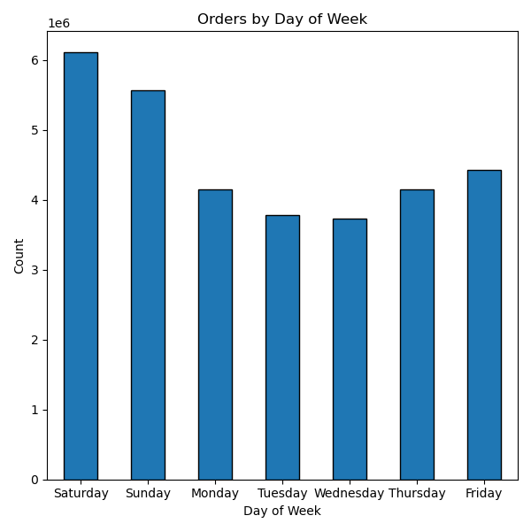

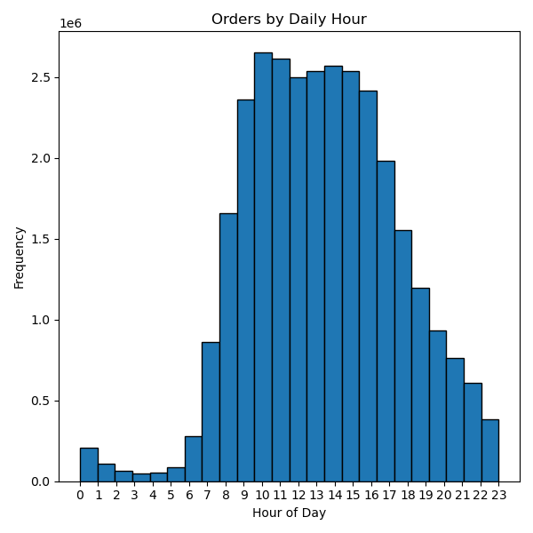

 |  |  |  |  | Busiest Day of week | Saturday |  |  |  | The majority of sales occur between 10am and 4pm, with sales tapering off later in the afternoon/evening.
 |  |  |  |  | Slowest Day of week: | Tuesday

 |  |  |  |  |  |  |  |  |  | Sales are the slowest between 11pm and 6am.

 |  |  |  |  |  |  |  |  |  | Sales begin to pick up around 8am until they peak at 10am.

 | The marketing and business strategy units at Instacart want to create more-relevant marketing strategies for different products and are, thus, curious about customer profiling in their database. Create a profiling variable based on age, income, certain goods in the “department_id” column, and number of dependents. You might also use the “orders_day_of_week” and “order_hour_of_day” columns if you can think of a way they would impact customer profiles.
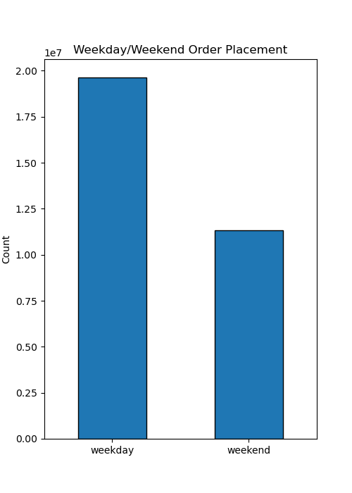

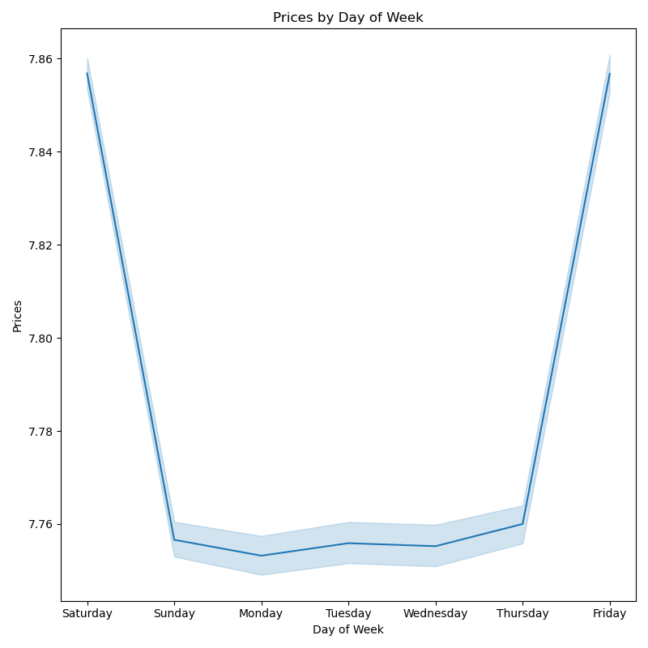
 |  |  |  | Based on the bar plot on the left, most of the order on instacart are place on weekdays
 |  |  |  |  |  |  |  |  |  |  | However, on weekend the order value or product price is higher than weekdays

 | Are there certain types of products that are more popular than others? The marketing and sales teams want to know which departments have the highest frequency of product orders

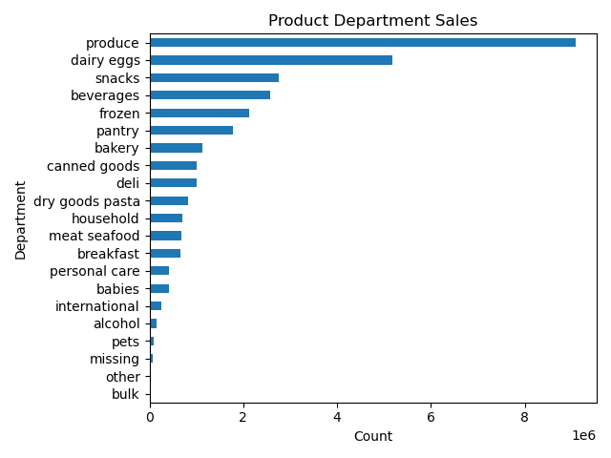

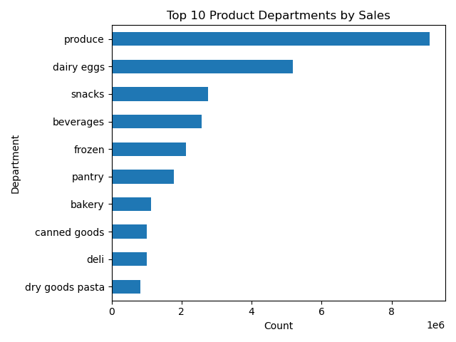
 |  |  |  |  | The highest selling department is produce.

 |  |  |  |  | This is followed by dairy/eggs, snacks, beverages, and frozen.

 | What’s the distribution among users in regards to their brand loyalty (i.e., how often do they return to Instacart)?

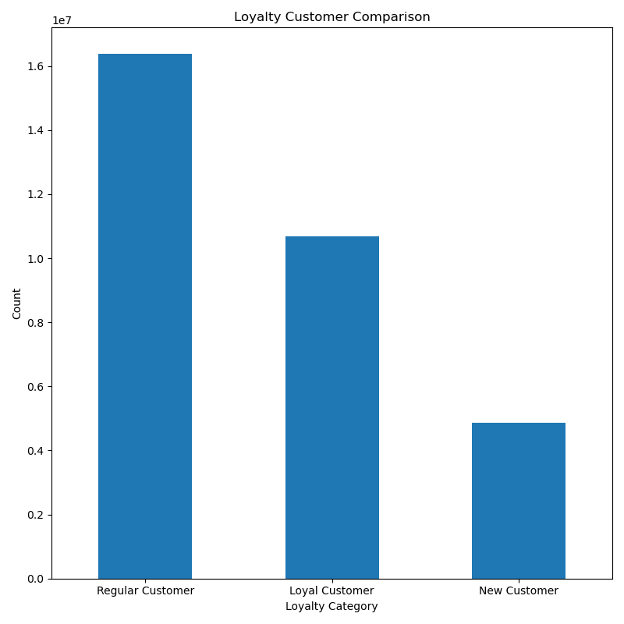
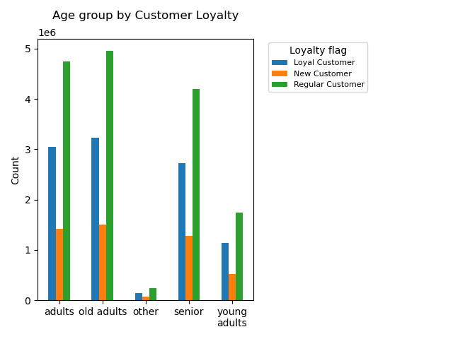
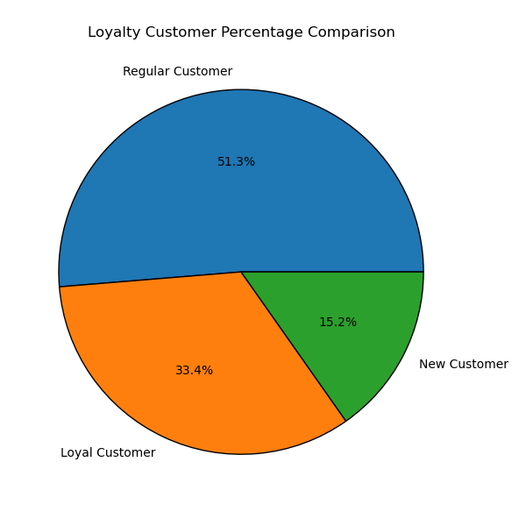
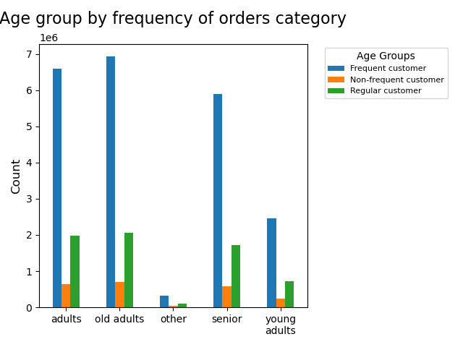
 |  |  |  |  |  |  |  | Loyalty Categories | Definition
 |  |  |  |  |  |  |  | Loyal customer: | Customer has ordered from instacart more than 40 times
 |  |  |  |  |  |  |  | Regular customer: | Customer has ordered from Instacart between 11 and 40 times
 |  |  |  |  |  |  |  | New customer: | Customer has ordered from Instacart 10 or fewer times

 |  |  |  |  |  |  |  | Based on the charts, the majority (51.3%) of Instacarts customers order often, but not often enough to be considered 'Loyal'.
 |  |  |  |  |  |  |  | 33.4% of Instacart's customer base makes frequent orders classifying them as loyal customers.
 |  |  |  |  |  |  |  | 15.2% share is from new customer orders

 | Are there differences in ordering habits based on a customer’s region?
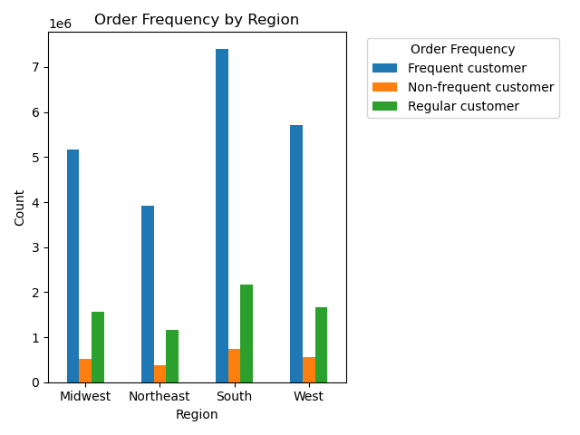

 |  |  |  |  | South has the highest of customer orders as compared to other regions

 |  | Customer Profile

 | Income Groups by Region
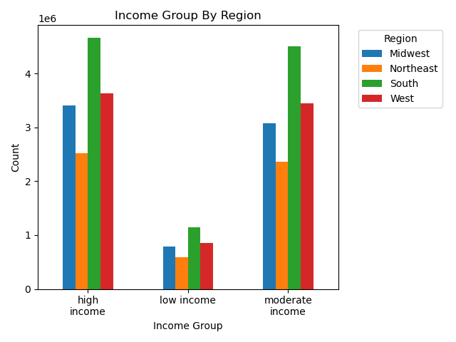

 |  |  |  |  | The bar chart to the shows that the largest customer base is in the South region, whereas the smallest customer base is in the Northeast region.

 |  |  |  |  |  |  |  |  |  |  |  |  | The bar chart to the shows that highest orders are placed by married customers who has dependants.

 |  |  |  |  | We also see the same pattern of income groups across all regions, indicating that the majority of Instacart's customers are in the high and middle income group.

 | Age Groups by Region
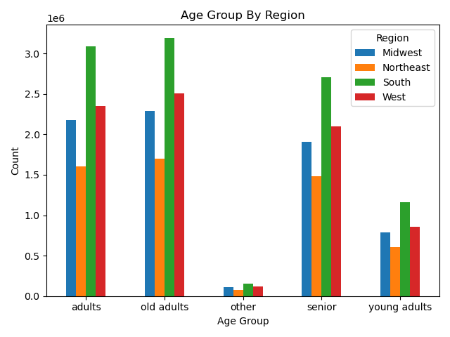

 |  |  |  | The chart to the left shows that Adults and Older adults age groups have the most customers, followed by Seniors.
 |  |  |  | Not many Young Adults currently use Instacart's services across all regions

 | The marketing and business strategy units at Instacart want to create more-relevant marketing strategies for different products and are, thus, curious about customer profiling in their database. Create a profiling variable based on age, income, certain goods in the “department_id” column, and number of dependents. You might also use the “orders_day_of_week” and “order_hour_of_day” columns if you can think of a way they would impact customer profiles.
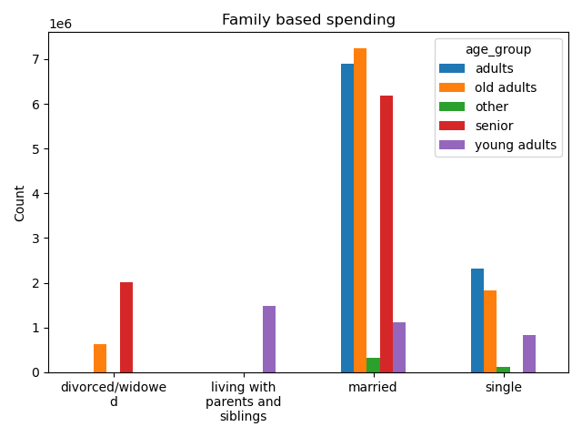
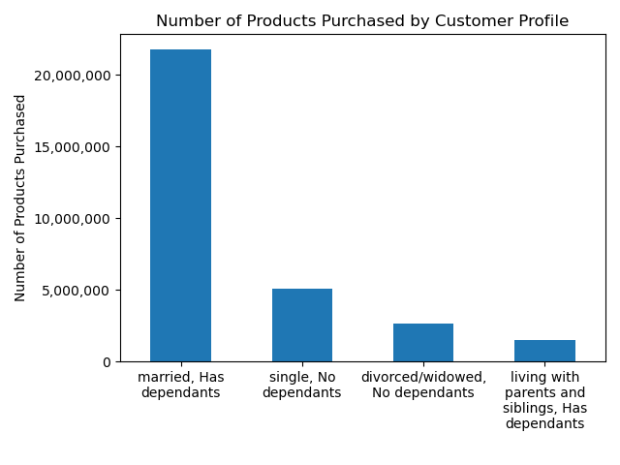

 |  |  | The chart to the left shows that married category ordered the most on instacart |  |  |  |  |  |  |  |  | The chart to the right shows that orders come from high and moderate income groups.
 |  |  | Under married category, most sales come from adults, old adults and senior age groups |  |  |  |  |  |  |  |  | Under income category, most sales come from South region followed by West

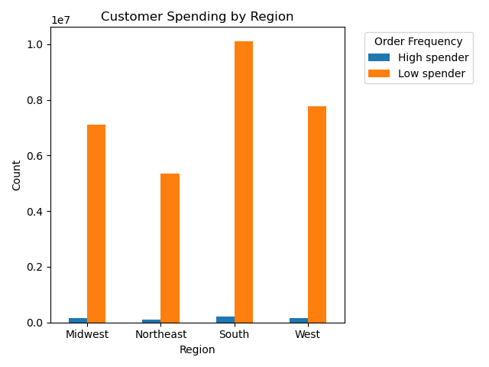
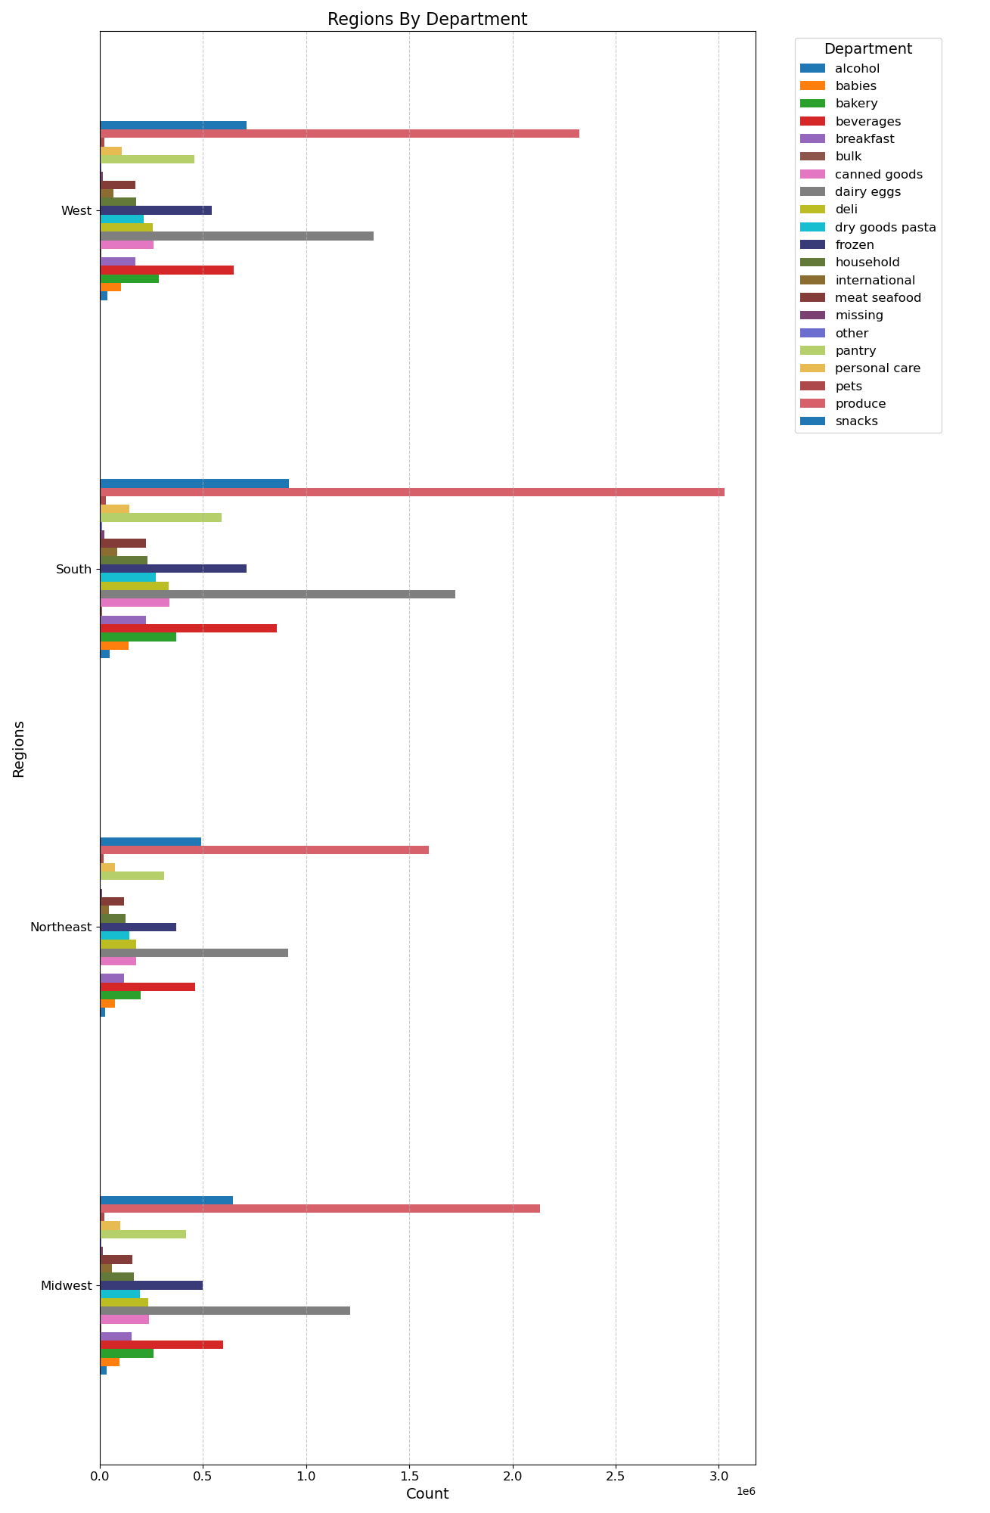
Compare your customer profiles with regions and departments.
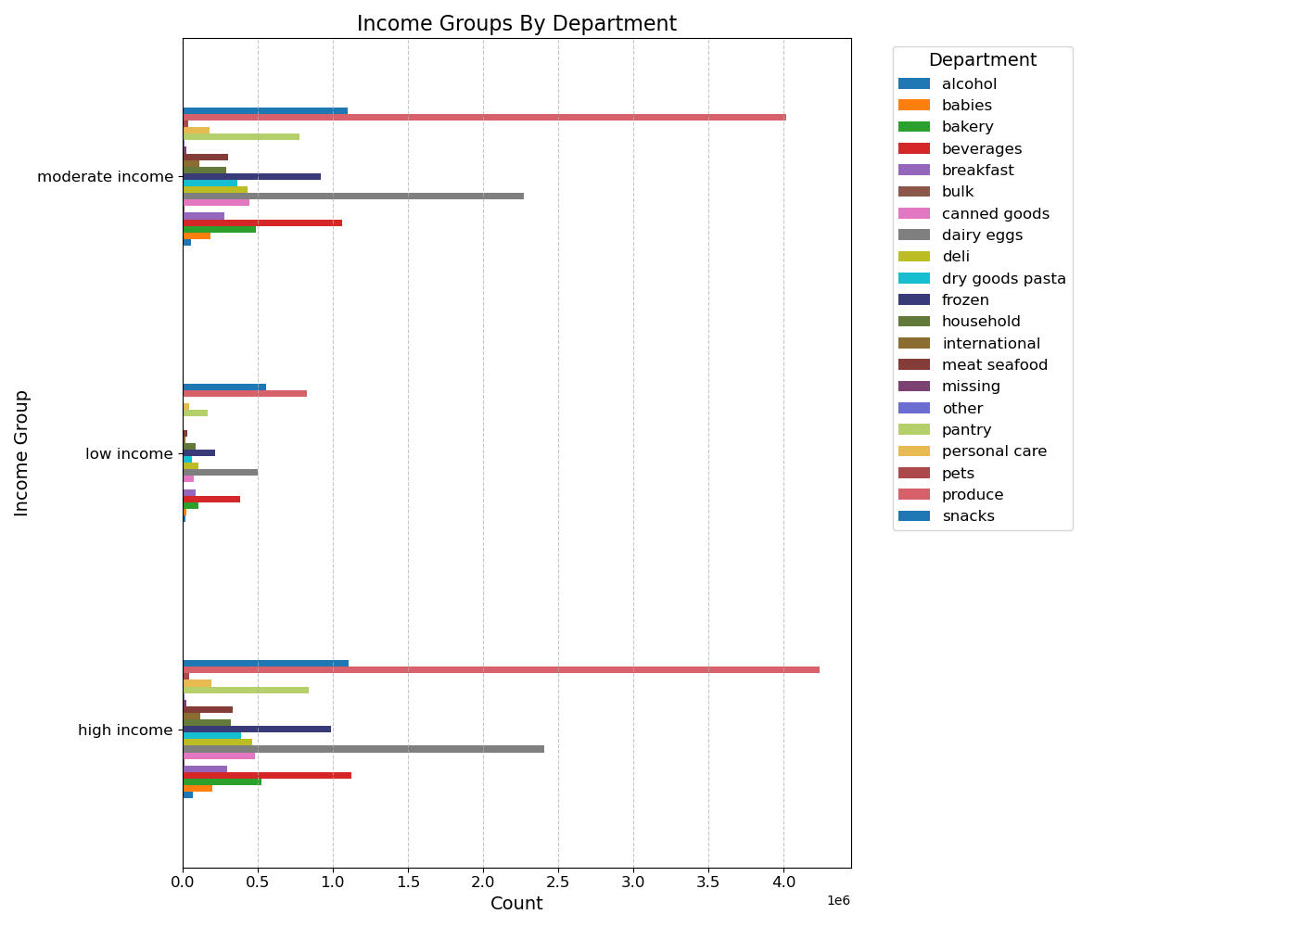

 |  |  |  |  | The chart to the left shows that produce is ordered the most from moderate and high income customer based |  |  |  |  |  |  |  |  | The chart to the left shows that produce is the highest ordered across regions. | The chart to the left shows that lower spenders are makes the highest count in Instacart's customer base.
 |  |  |  |  | Second most ordered products are from household department.

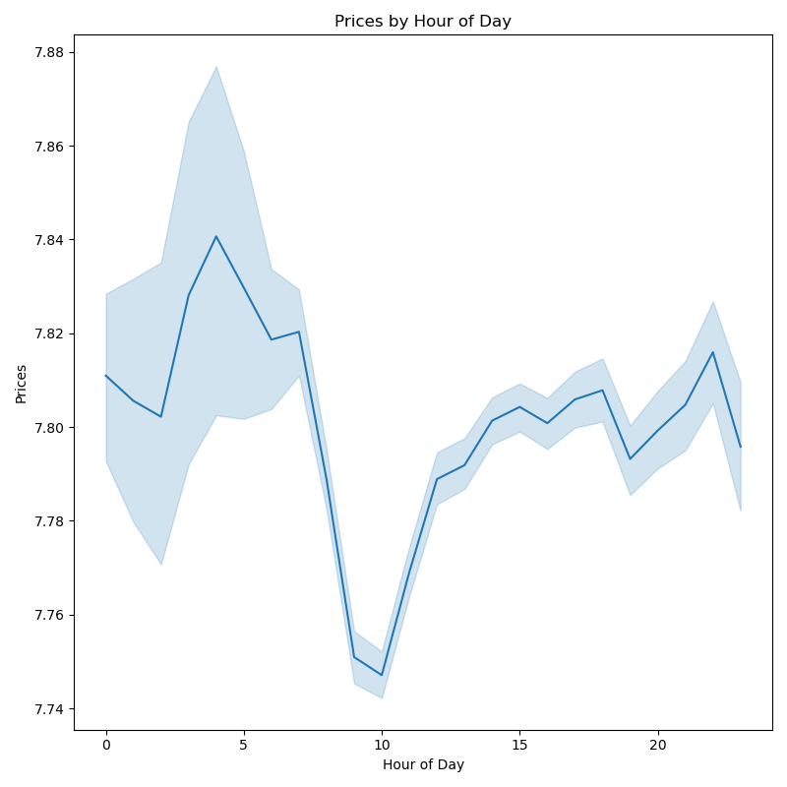



 |  |  |  |  |  |  |  |  |  |  |  |  |  | The scatter plot on the left indicates that as the age and income increases, the customer base increaes.
 |  |  |  |  |  | The line plot tells us that prices tend to be higher with more variability in pricing early in the morning with a peak around 4am. After the peak, there is a dip in pricing around 10am. From 10am onward through the remainder of the day, the pricing is more stable with less variability.



 |  |  |  |  | As shown on the line chart to the left, there is no clear pattern connecting age to number of dependents. TThe fluctuations are very pronounced, indicating that the number of dependents does not increase or decrease with age. The variability (or confidence level) is narrow which indicates that the average number of dependents is fairly stable despite individual variations.

7. Recommendations
 |  | Title page

Recommendations

Key Question | Recommendations
What days of the week and hours of the day are busiest? | Weekends i.e., Saturdays and Sundays are the busiest days. The least busy period is on Tuesdays and Wednesdays. Therefore, Instacart should schedule ads and release promotions for mid week to increase sales. Busiest hours are between 10 am to 4 pm.
What times of the day do people spend the most money? | People spend on highest priced product at 4 am. Instacart should place the high value products on the top of the aisle and also advertise the high value products at around this time.
Are there certain types of products that are more popular than others? | The top five product categories are produce, dairy and eggs, snacks, beverages, and frozen food. This is the cash cow product for instacart. Product team could brain storm on how they can create a niche segment like organic product and keep premium pricing. Consider adding incentives to poorly performing departments to possible entice purchases.
What’s the distribution among users in regards to their brand loyalty (i.e., how often do they return to Instacart)? | Instagram could look at creating a membership at a price and provide benefits like free deliveries, early bird access, promotions, etc. The target is to convert Regular customers into Loyal customers.
Are there differences in ordering habits based on a customer's loyalty status? | Orders from adults, old adults and seniors are frequent and regular. Young adults might not be finding it relevant or appealing, also the factors that might be affecting are: they might not be the earning members of the family, products not relevant or appealing, etc. Market research can be done to find out their interests.
Are there differences in ordering habits based on a customer's region? | Produce is the highest ordered across the regions, second is "dairy eggs". There is no much difference in the product they buy. Even the age groups behave the same across the regions.
Is there a connection between age and family status in terms of ordering habits? | Most orders come from married people who have dependents. They are also the earning members of the family. Product team to implement tech to identify life events of customers like if they are getting married, buying pregency products, baby products, etc. This can help the AdTech team to target the audience and advertise. This model can be used to generate ad revenue from their sellers on the platform.
What differences can you find in ordering habits of different customer profiles? consider the price of orders, frequency of orders, products customers are ordering, and anything else you can think of. | Here are the ordering habits: Most customers shop low priced products, daily needs items when they are at work between 10 am to 4 pm. Customers with moderate and high income order the most. Most orders are made by married people who have dependents. Instacart could think of a premium membership, a niche organic produce segment like Farm to fork concept with a higher price mark-up. Increase produce and dairy eggs storeage places within the city for shorter delivery time for an extra price.

